Regression
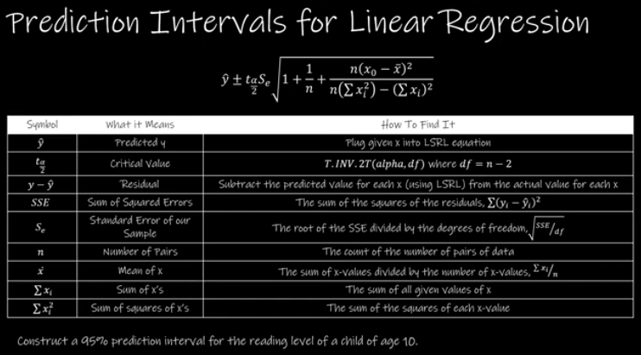
Age | Reading Level | y-hat | Residual | 12.1 Hypothesis Testing
1 | 5 | 5.7128712871 | -0.71287128713
4 | 1 | 2.698019802 | -1.698019802
7 | 0 | -0.31683168317 | 0.31683168317 | r: | -0.87822847658 | Given x: | 2 | SSE: | 12.099009901
3 | 3 | 3.702970297 | -0.70297029703 | r-squared: | 0.77128525707 |  |  | SE: | 1.22978707
2 | 5 | 4.7079207921 | 0.29207920792 | n: | 10 | Intercept b0: | 6.7178217822
2 | 4 | 4.7079207921 | -0.70792079208 | alpha: | 0.05 | Slope b1: | -1.004950495 | Mean of x: | 3.6
5 | 1 | 1.6930693069 | -0.69306930693 |  |  |  |  | Sum of x: | 36
5 | 2 | 1.6930693069 | 0.30693069307 | degrees of freedom: | 8 | Predicted y: | 4.7079207921 | Sum of Squares of x: | 170
1 | 8 | 5.7128712871 | 2.2871287129 | t-score: | -5.1940416575 |  |  | Critical Value: | 2.3060041352
6 | 2 | 0.68811881188 | 1.3118811881 | p-value: | 0.00082840847785 |  |  | Margin of Error: | 3.0587800624
 |  |  |  | Conclusion: | Significant
 |  |  |  |  |  |  |  | Lower Limit: | 1.6491407297
 |  |  |  |  |  |  |  | Upper Limit: | 7.7667008545

Two-Test Hypothesis
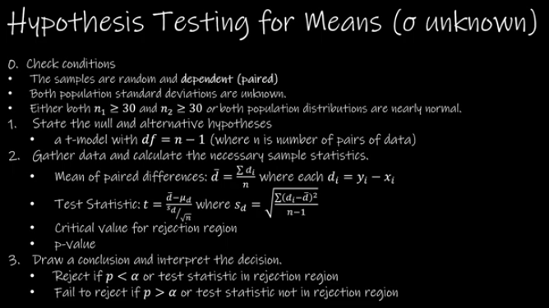
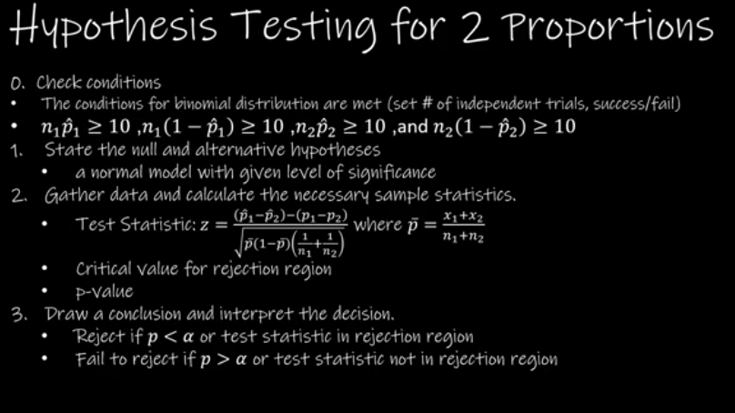
11.1 Hypothesis Testing for Means (Sigma Known) |  |  |  |  |  |  | 11.2.1 Hypothesis Testing For 2 Sample Means (Sigma Unknown) - Unequal Variances |  |  |  |  |  |  | 11.2.2 Hypothesis Testing for 2 Sample Means (Sigma Unkown) - Equal Variances

 |  |  | Left-Tailed | Right-Tailed | Two-Tailed |  |  |  |  | Left-Tailed | Right-Tailed | Two-Tailed |  |  |  |  |  | Left-Tailed | Right-Tailed | Two-Tailed
Mean 1: | 21.8 | Critical Values: | -1.644853627 | 1.644853627 | 1.9599639845 |  | Mean 1: | 309.63 | Critical Values: | -1.3450303745 | 1.3450303745 | 1.7613101358 |  | Mean 1: | 80.2 |  | Critical Values: | -1.7011309343 | 1.7011309343 | 2.0484071418
SD 1: | 0.6 | p-value: | 0.009211062727 | 0.99078893727 | 0.018422125454 |  | SD 1: | 15.91 | p-value: | 0.32821800293 | 0.67178199707 | 0.65643600585 |  | SD 1: | 4.1 |  | p-value: | 0.98160785239 | 0.018392147611 | 0.036784295222
n 1: | 200 |  |  |  |  |  | n 1: | 20 |  |  |  |  |  | n 1: | 13
Mean 2: | 22.1 | Conclusion: | REJECT | FAIL TO REJECT | REJECT |  | Mean 2: | 311.87 | Conclusion: | FAIL TO REJECT | FAIL TO REJECT | FAIL TO REJECT |  | Mean 2: | 77.4 |  | Conclusion: | FAIL TO REJECT | REJECT | REJECT
SD 2: | 1.8 |  |  |  |  |  | SD 2: | 13.21 |  |  |  |  |  | SD 2: | 2.9
n 2: | 225 | Point Estimate: | -0.3 |  |  |  | n 2: | 15 | Point Estimate: | -2.24 |  |  |  | n 2: | 17 |  | Point Estimate: | 2.8
Hypothesized Difference: | 0 | E: | 0.20935568766 |  | 0.24946268838 |  | Hypothesized Difference: | 0 | E: | 6.6289684755 |  | 8.6805990313 |  | Hypothesized Difference: | 0 |  | E: | 2.172069595 |  | 2.6154852523
Alpha: | 0.05 |  |  |  |  |  | Alpha: | 0.1 |  |  |  |  |  | Alpha: | 0.05
 |  | 1-Tailed Interval: | -0.50935568766 | -0.090644312338 |  |  |  |  | 1-Tailed Interval: | -8.8689684755 | 4.3889684755 |  |  |  |  |  | 1-Tailed Interval: | 0.62793040502 | 4.972069595
Z-Score: | -2.357022604 |  |  |  |  |  | Degrees of Freedom: | 14 |  |  |  |  |  | Degrees of Freedom: | 28
 |  | 2-Tailed Interval: | -0.54946268838 | -0.050537311617 |  |  | Z-Score: | -0.4545002816 | 2-Tailed Interval: | -10.920599031 | 6.4405990313 |  |  | Z-Score: | 2.1929162063 |  | 2-Tailed Interval: | 0.18451474768 | 5.4154852523

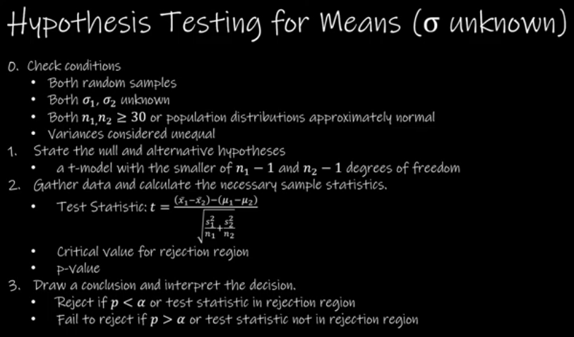
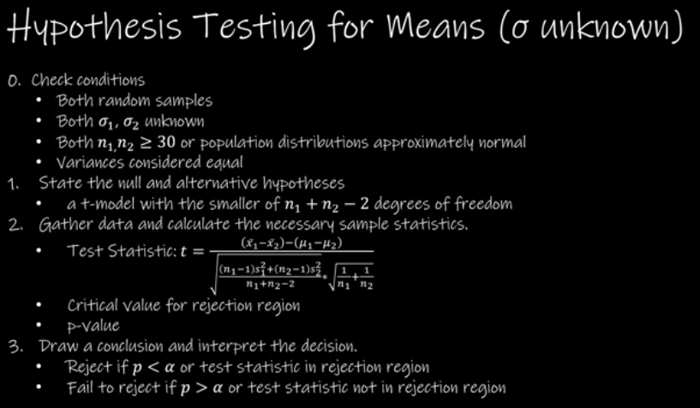

11.3 Hypothesis Testing for Means (Sigma unknown) |  |  |  |  |  |  |  |  | 11.4 Hypthesis Testing for 2 Proportions

 |  |  |  |  |  | 16.24 | 17.96 | 1.72
Alternative: | > |  | Left-Tailed | Right-Tailed | Two-Tailed | 12.06 | 11.58 | -0.48 | x1: | 1500 | p1-hat: | 0.70555032926 |  | Left-Tailed | Right-Tailed | Two-Tailed
Hpothesized Difference: | 0 | Critical Values: | -2.4489849896 | 2.4489849896 | 2.8964594477 | 17.24 | 18.82 | 1.58 | n1: | 2126 | q1-hat: | 0.29444967074 | Critical Values: | -1.644853627 | 1.644853627 | 1.9599639845
Alpha: | 0.02 | p-value: | 0.89909513885 | 0.10090486115 | 0.2018097223 | 12.78 | 14.34 | 1.56 | x2: | 1512 | p2-hat: | 0.74851485149 | p-value: | 0.00096094728071 | 0.99903905272 | 0.0019218945614
Mean of Difference: | 0.58555555556 |  |  |  |  | 14.32 | 12.51 | -1.81 | n2: | 2020 | q2-hat: | 0.25148514851
SD of Difference: | 1.2632508768 | Conclusion: | FAIL TO REJECT | FAIL TO REJECT | FAIL TO REJECT | 15.54 | 17.15 | 1.61 | Hyp. Difference: | 0 |  |  | Conclusion: | REJECT | FAIL TO REJECT | REJECT
n: | 9 |  |  |  |  | 18.36 | 19.67 | 1.31 | Alpha: | 0.05 | p-bar: | 0.72648335745
Degrees of Freedom: | 8 | E: | 1.0312274785 |  | 1.2196516457 | 12.74 | 12.88 | 0.14 |  |  | 1 - p-bar: | 0.27351664255 | Point Estimate: | -0.042964522228
 |  |  |  |  |  | 14.21 | 13.85 | -0.36 |  |  | z-score: | -3.1020438982 | E: | 0.022726769456 |  | 0.027080616103
T-Score: | 1.3905920818 | 1-Tailed Interval: | -0.44567192294 | 1.616783034 |  |  |  |  | Conditions
 |  |  |  |  |  |  |  |  | n1p1: | 1500 |  |  | 1-Tailed Interval: | -0.065691291684 | -0.020237752773
 |  | 2-Tailed Interval: | -0.63409609011 | 1.8052072012 |  |  |  |  | n1q1: | 626
 |  |  |  |  |  |  |  |  | n2p2: | 1512 |  |  | 2-Tailed Interval: | -0.070045138332 | -0.015883906125
 |  |  |  |  |  |  |  |  | n2q2: | 508

Hypothesis Testing
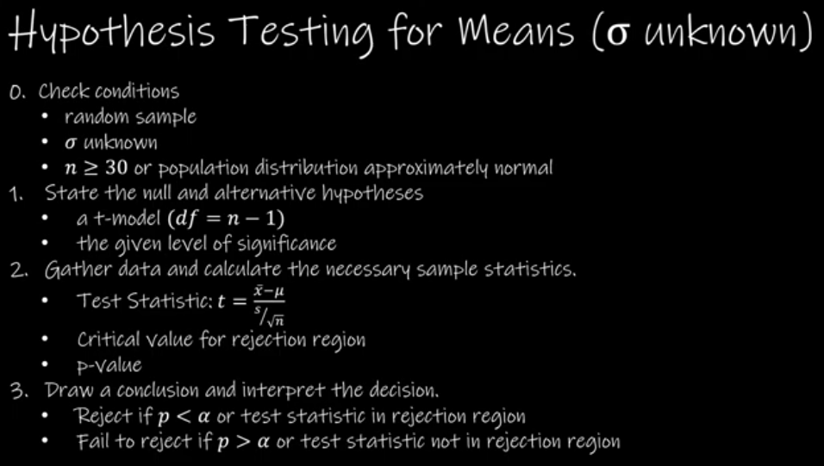
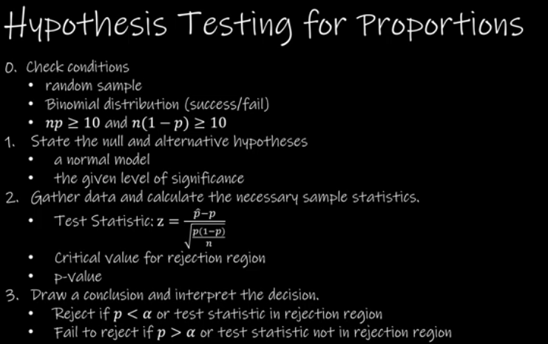

Hypothesis Testing for Population Means (σ known) (10.2) |  |  |  |  |  | 10.3 Hypothesis Testing for Population Means (Sigma Unknown) |  |  |  |  |  | 10.4 Hypothesis Testing for Population Proportions

 |  |  | Left-Tailed | Right-Tailed | Two-Tailed |  |  |  | Left | Right | 2-Tailed |  |  |  | Left | Right | 2-Tailed
Hypothesized Mean (mu): | 2.5 | Critical Values: | -2.0537489106 | 2.0537489106 | 2.326347874 | Hypothesized Mean: | 25 | Critical Value: | -2.0422724563 | 2.0422724563 | 2.3595624587 | Hypothesized Proportion, p: | 0.031 | Critical Value: | -2.0537489106 | 2.0537489106 | 2.326347874
Sample Mean (x-bar): | 2.85 | p-value: | 0.99188497571 | 0.0081150242873 | 0.016230048575 | Sample Mean: | 27.9 | p-Value: | 0.99997635439 | 2.3645609456E-05 | 4.7291218911E-05 | x: | 22 | p-Value: | 0.95868642668 | 0.041313573323 | 0.082627146647
Population SD (sigma): | 1.05 |  |  |  |  | Sample SD: | 3.4 | Conclusion: | FAIL TO REJECT | REJECT | REJECT | n: | 494 | Conclusion: | FAIL TO REJECT | FAIL TO REJECT | FAIL TO REJECT
Sample Size (n): | 52 | Conclusion: | FAIL TO REJECT | REJECT | REJECT | Sample Size: | 31 |  |  |  |  | Observed Proportion, p-hat: | 0.044534412955
Alpha: | 0.02 |  |  |  |  | Alpha: | 0.025 | E: | 1.2471300685 |  | 1.4408857554 | Alpha: | 0.02 | E: | 0.019060718278 |  | 0.021590692618
 |  | E: | 0.29904391748 |  | 0.33873672583
Z-Score: | 2.4037008503 |  |  |  |  | t-Score: | 4.7489754859 | 1-tailed Interval: | 26.652869931 | 29.147130069 |  | z-Score: | 1.7356420459 | 1-tailed Interval: | 0.025473694678 | 0.063595131233
 |  | 1-Tailed Interval: | 2.5509560825 | 3.1490439175
 |  |  |  |  |  |  |  | 2-tailed Inverval: | 26.459114245 | 29.340885755 |  | np: | 15.314 | 2-tailed Interval: | 0.022943720338 | 0.066125105573
 |  | 2-Tailed Interval: | 2.5112632742 | 3.1887367258 |  |  |  |  |  |  |  | n(1-p): | 478.686

